8. Proposal Data Inputs
 |  |  |  |  |  |  |  |  |  |  |  |  | SCE Only 2022 and 2023 Data Inputs
IOU-Specific Inputs for Calculator Proposals |  |  |  |  |  |  |  |  | Filing Periods | PG&E | SCE | SDG&E |  | Selections | Filing Period | May-22
 |  |  |  |  |  |  |  | 5 | May-22 | Apr-22 | May-22 | Apr-22 |  |  | SCE Input Year | 2023
 |  | PG&E | SCE | SDG&E |  |  |  | 11 | Nov-22 | Oct-22 | Nov-22 | Oct-22 | IOU | Input Years | 2022 | 2023
 | Local RA Market Price Benchmark (Per kW-mo) | $6.93 | $6.74 | $6.98 |  |  |  |  |  |  |  |  | SCE | IOU Residential Average Bundled Service Commodity Rate (Per MWh) | $105.57 | $154.39
 | System RA Market Price Benchmark (Per kW-mo) | $7.39 | $7.39 | $7.39 |  |  |  |  |  |  |  |  |  | IOU Weighted Average Non-Residential Bundled Service Commodity Rate (Per MWh) | $92.21 | $121.31
 | Difference in Average Residential PCIA Rate (Per MWh) | $10.87 | $(1.65) | $22.58 |  |  |  |  |  |  |  |  |  | Year | 2022 |  | 2023
 | Difference Weighted Average Non-Residential PCIA Rate (Per MWh) | $9.79 | $(3.82) | $5.88 |  |  |  |  |  |  |  |  |  | Filing Periods | May-22 | Nov-22 | May-22 | Nov-22
 | CCA Average Residential PCIA Rate (Per MWh) | $2.22 | N/A |  |  |  |  |  |  |  |  |  |  | Local RA Market Price Benchmark (Per kW-mo) | $6.46 | $6.74 | $6.74 | $6.74
 | CCA Weighted Average Non-Residential PCIA Rate (Per MWh) | $2.21 |  |  |  |  |  |  |  |  |  |  |  | System RA Market Price Benchmark (Per kW-mo) | $6.03 | $7.39 | $7.39 | $7.39
 | IOU Average Residential PCIA Rate (Per MWh) | $13.09
 | IOU Weighted Average Non-Residential PCIA Rate (Per MWh) | $12.00
 | IOU Residential Average Bundled Service Commodity Rate (Per MWh) | $143.05 | $154.39 | $196.65
 | IOU Weighted Average Non-Residential Bundled Service Commodity Rate (Per MWh) | $102.17 | $121.31 | $192.60
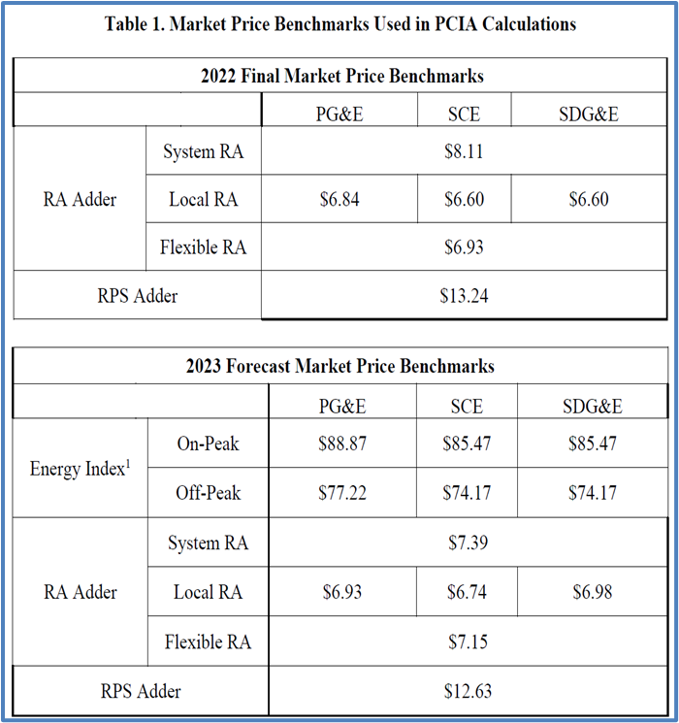
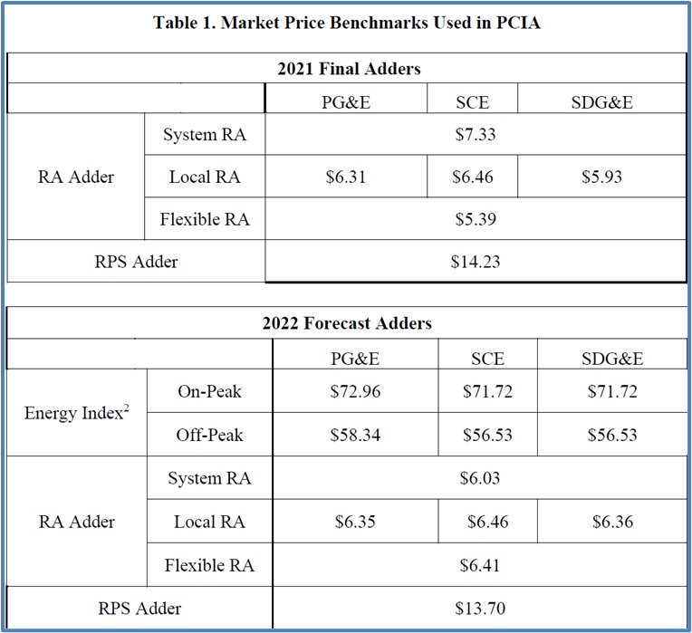

 | Proposed Load by Residential and Non-Residential Customer Classes for Each IOU

 | May 2022 Filing - PG&E |  |  |  | November 2022 Filing - PG&E
 | Average On-Peak and Off-Peak Forward Price Source | ICE |  |  | Average On-Peak and Off-Peak Forward Price Source | ICE
 | Calculation Month (M) | Apr-22 |  |  | Calculation Month (M) | Oct-22
 |  | Load By Customer Class (MWh) |  |  |  | Load By Customer Class (MWh)
 | 3 | 4 | 5 |  | 3 | 4 | 5
 | Trading Day Average for 6 Months Forward Strip From Month of (M-1) | Residential Load Forecast | Non-Residential Load Forecast |  | Trading Day Average for 6 Months Forward Strip From Month of (M-1) | Residential Load Forecast | Non-Residential Load Forecast
9 | May-22 | 58,064 | 50,874 | 9 | Nov-22 | 61,041 | 53,483
10 | Jun-22 | 64,192 | 56,243 | 10 | Dec-22 | 51,736 | 45,329
11 | Jul-22 | 79,703 | 69,834 | 11 | Jan-23 | 52,838 | 46,295
12 | Aug-22 | 89,280 | 78,224 | 12 | Feb-23 | 48,660 | 42,634
13 | Sep-22 | 96,647 | 84,680 | 13 | Mar-23 | 47,750 | 41,837
14 | Oct-22 | 86,069 | 75,412 | 14 | Apr-23 | 46,256 | 40,528

 | May 2022 Filing - SCE |  |  |  | November 2022 Filing - SCE
 | Average On-Peak and Off-Peak Forward Price Source | ICE |  |  | Average On-Peak and Off-Peak Forward Price Source | ICE
 | Calculation Month (M) | May-22 |  |  | Calculation Month (M) | Nov-22
 |  | Load By Customer Class (MWh) |  |  |  | Load By Customer Class (MWh)
 | 3 | 4 | 5 |  | 3 | 4 | 5
 | Trading Day Average for 6 Months Forward Strip From Month of (M-1) | Residential Load Forecast | Non-Residential Load Forecast |  | Trading Day Average for 6 Months Forward Strip From Month of (M-1) | Residential Load Forecast | Non-Residential Load Forecast
9 | Jun-22 | 64,192 | 56,243 | 9 | Dec-22 | 51,736 | 45,329
10 | Jul-22 | 79,703 | 69,834 | 10 | Jan-23 | 52,838 | 46,295
11 | Aug-22 | 89,280 | 78,224 | 11 | Feb-23 | 48,660 | 42,634
12 | Sep-22 | 96,647 | 84,680 | 12 | Mar-23 | 47,750 | 41,837
13 | Oct-22 | 86,069 | 75,412 | 13 | Apr-23 | 46,256 | 40,528
14 | Nov-22 | 61,041 | 53,483 | 14 | May-23 | 58,064 | 50,874

 | May 2022 Filing - SDG&E |  |  |  | November 2022 Filing - SDG&E
 | Average On-Peak and Off-Peak Forward Price Source | ICE |  |  | Average On-Peak and Off-Peak Forward Price Source | ICE
 | Calculation Month (M) | Apr-22 |  |  | Calculation Month (M) | Oct-22
 |  | Load By Customer Class (MWh) |  |  |  | Load By Customer Class (MWh)
 | 3 | 4 | 5 |  | 3 | 4 | 5
 | Trading Day Average for 6 Months Forward Strip From Month of (M-1) | Residential Load Forecast | Non-Residential Load Forecast |  | Trading Day Average for 6 Months Forward Strip From Month of (M-1) | Residential Load Forecast | Non-Residential Load Forecast
9 | May-22 | 58,064 | 50,874 | 9 | Nov-22 | 61,041 | 53,483
10 | Jun-22 | 64,192 | 56,243 | 10 | Dec-22 | 51,736 | 45,329
11 | Jul-22 | 79,703 | 69,834 | 11 | Jan-23 | 52,838 | 46,295
12 | Aug-22 | 89,280 | 78,224 | 12 | Feb-23 | 48,660 | 42,634
13 | Sep-22 | 96,647 | 84,680 | 13 | Mar-23 | 47,750 | 41,837
14 | Oct-22 | 86,069 | 75,412 | 14 | Apr-23 | 46,256 | 40,528

