9 Portfolio Summary
Pa Name: | San Diego Gas & Electric Co
Budget Year: | 2022-2023
PORTFOLIO SUMMARY
 |  |  |  |  |  |  |  |  |  |  |  |  | SOURCE - CEDARS net values for 2020YR

 | 2020 EE Portfolio Expenditures |  |  |  | 2022 EE Portfolio Budget |  |  |  | 2023 EE Portfolio Budget |  |  |  | 2020 EE Portfolio Savings |  |  | 2022 EE Portfolio Forecasted Savings |  |  | 2023 EE Portfolio Forecasted Savings
Sector | Labor | Non-Labor (excl. Incentives) | Incentives | Total | Labor | Non-Labor (excl. Incentives) | Incentives | Total | Labor | Non-Labor (excl. Incentives) | Incentives | Total | KWH | KW | MTHERMS | KWH | KW | MTHERMS | KWH | KW | MTHERMS
Residential | $1,102,456 | $7,967,094 | $1,141,738 | $10,211,288 | $1,432,544 | $6,917,043 | $5,375,263 | $13,724,849 | $1,943,186 | $7,865,112 | $6,730,058 | $16,538,355 | 52,535,896 | 9,028 | 1,302 | 50,031,171 | 9,484 | 1,658 | 51,090,281 | 13,700 | 1,527
Commercial | $2,688,045 | $6,571,360 | $4,012,706 | $13,272,112 | $3,667,913 | $14,452,979 | $19,522,922 | $37,643,814 | $2,673,027 | $16,855,486 | $21,809,110 | $41,337,623 | 20,754,229 | 2,846 | 297 | 46,712,602 | 6,828 | 1,450 | 52,728,816 | 8,179 | 1,411
Industrial | $656,558 | $1,109,958 | $1,733,586 | $3,500,101 | $663,286 | $217,893 | $1,796,919 | $2,678,098 | $913,140 | $555,561 | $3,948,995 | $5,417,696 | 7,127,312 | 988 | 212 | 4,726,581 | 641 | 237 | 5,842,872 | 535 | 244
Agricultural | $234,674 | $195,646 | $26,867 | $457,188 | $591,091 | $425,103 | $903,285 | $1,919,478 | $449,835 | $1,017,968 | $846,581 | $2,314,384 | 65,804 | 6 | 12 | 2,908,586 | 306 | 92 | 3,922,706 | 62 | 357
Public | $1,186,275 | $6,423,787 | $- | $7,610,062 | $964,262 | $5,037,096 | $5,626,769 | $11,628,127 | $1,188,199 | $6,132,851 | $5,687,986 | $13,009,036 | - | - | - | 12,099,905 | 1,311 | 212 | 13,300,838 | 1,750 | 284
Cross Cutting 1 | $2,996,395 | $6,766,685 | $- | $9,763,080 | $2,368,862 | $9,459,861 | $- | $11,828,723 | $2,497,205 | $9,349,742 | $- | $11,846,947 | 492,277,027 | 82,467 | 3,068 | 414,241,867 | 73,074 | 2,939 | 437,013,107 | 85,571 | 3,436
Total Sector Budget | $8,864,403 | $29,034,530 | $6,914,897 | $44,813,831 | $9,687,958 | $36,509,975 | $33,225,158 | $79,423,090 | $9,664,592 | $41,776,719 | $39,022,729 | $90,464,041 | 572,760,268 | 95,335 | 4,890 | 530,720,713 | 91,643 | 6,587 | 563,898,620 | 109,798 | 7,259
EM&V-PA | $241,704 | $31,862 |  | $273,566 | $258,988 | $651,069 | $- | $910,056 | $266,757 | $769,810 | $- | $1,036,567
EM&V-ED |  | $195,784 |  | $195,784 |  | $2,399,239 | $- | $2,399,239 |  | $2,732,768 | $- | $2,732,768
OBF - Loan Pool 2 |  |  |  | $- |  |  | $- | $- |  |  | $- | $-
CEC AB 841 3,4 |  |  |  | $- |  | $64,892,784 | $- | $64,892,784 |  | $20,982,371 | $- | $20,982,371
PA Spending Budget Request (PA Program and EM&V + CEC AB 841) | $9,106,108 | $29,262,176 | $6,914,897 | $45,283,181 | $9,946,945 | $104,453,067 | $33,225,158 | $147,625,170 | $9,931,349 | $66,261,669 | $39,022,729 | $115,215,748 | 572,760,268 | 95,335 | 4,890 | 530,720,713 | 91,643 | 6,587 | 563,898,620 | 109,798 | 7,259

1. Cross Cutting Sector includes Codes & Standards, Emerging Technologies, Workforce Education & Training, Finance.
2. For SDG&E and SCG the loan pool is not part of the authorized EE portfolio budget and is collected and tracked through a separate balancing account.
3. Per D.21-01-004, the base for calculation for SDG&E is $116,456,311 minus 2020 PY EE Budget of $81,485,692 multiplied by the percentage allocation of 70% for 2022 and 60% for 2023.
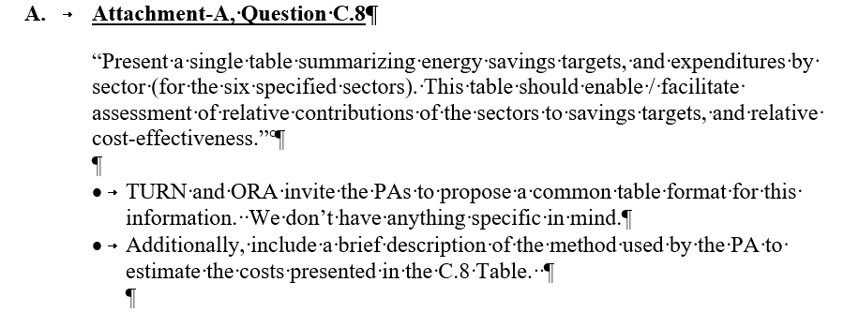
4. The CEC AB 841 budget for 2022 of $64.9M is the sum of the base calculation as noted in footnote 3 above of $24.5M plus the Program Year 2021 Unspent/Uncommitted funds of $40.4M.

10 Portfolio FTE
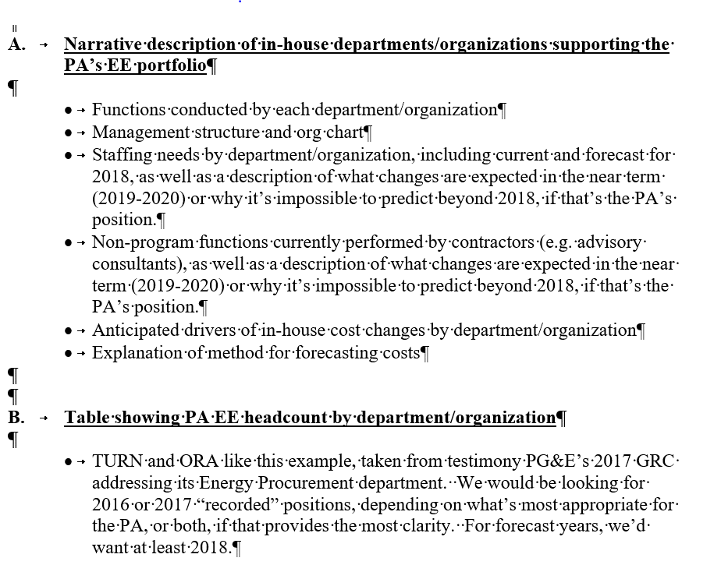
Pa Name: | San Diego Gas & Electric Co
Budget Year: | 2022-2023
PORTFOLIO STAFFING

Functional Group | 2020 EE Portfolio FTE (1) | 2022 EE Portfolio FTE (1) | 2023 EE Portfolio FTE (1)
Policy, Strategy, and Regulatory Reporting Compliance | 2.90 | 4.38 | 4.38
Program Management | 38.40 | 42.91 | 41.23
Engineering Services | 5.75 | 6.90 | 6.67
Customer Application/Rebate/Incentive Processing | 1.99 | 0.79 | -
Customer Project Inspections | 2.63 | 3.74 | 5.59
Portfolio Analytics | 4.81 | 5.25 | 5.25
EM&V | 1.75 | 2.13 | 2.13
ME&O (Local) | 1.10 | 0.90 | 0.53
Account Management / Sales | 11.41 | - | -
IT | 3.90 | 4.28 | 4.24
Call Center | 1.11 | 0.86 | 0.72
Total | 75.76 | 72.14 | 70.74

Notes:
(1) FTE is equal to productive labor of 1788 hour per year.

